BALANCE SHEET
Balance Sheet
At December 31

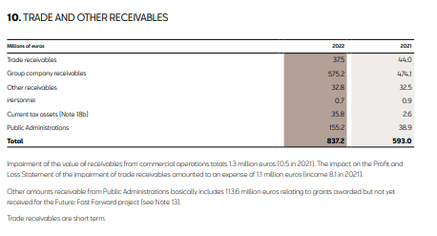
Assets | 2022 | 2021
Non-current assets | 4,416,900,000.00 € | 4,440,800,000.00 €
Intagible assets | 1,694,400,000.00 € | 1,610,700,000.00 €
Tanglible assets | 1,461,500,000.00 € | 1,631,700,000.00 €
Long-term-investments in Group | 755,400,000.00 € | 756,200,000.00 €
Long-term financial investments | 22,700,000.00 € | 6,400,000.00 €
Deferred tax assets | 482,900,000.00 € | 435,800,000.00 €

Current assets | 1,824,600,000.00 € | 1,121,600,000.00 €
Inventories | 874,200,000.00 € | 453,900,000.00 € | TRADE AND OTHER RECEIVABLES
Trade and other recievables | 837,200,000.00 € | 593,000,000.00 € |  | 2022 | 2021
Short-term investments in Group | 82,500,000.00 € | 64,700,000.00 € | Trade receivables | € 37,500,000.00 | € 44,000,000.00
Short-term financial investments | 22,700,000.00 € | 4,400,000.00 € | Group company receivables | € 575,200,000.00 | € 474,100,000.00
Short-term prepaid expenses | 8,000,000.00 € | 5,600,000.00 € | Other receivables | € 32,800,000.00 | € 32,500,000.00
Cash and cash equivalents | - € | - € | Personnel | € 700,000.00 | € 900,000.00
 |  |  | Current tax assets () | € 35,800,000.00 | € 2,600,000.00
Total | 6,241,500,000.00 € | 5,562,400,000.00 € | Public Administrations | € 155,200,000.00 | € 38.90
 |  |  | TOTAL | € 837,200,000.00 | € 554,100,038.90
Equity and liabilities | 2022 | 2021
Equity | 1,297,400,000.00 € | 1,207,700,000.00 €
Shareholders' equity | 1,312,700,000.00 € | 1,245,200,000.00 €
Valuation adjustments | -22,200,000.00 € | -39,400,000.00 €
Grants | 6,900,000.00 € | 1,900,000.00 €

Non-current liabilities | 1,026,400,000.00 € | 692,900,000.00 €
Long-term provisions | 708,200,000.00 € | 425,600,000.00 €
Long-term liabilities | 120,900,000.00 € | 69,200,000.00 €
Deferred tax liabilities | 18,500,000.00 € | 8,200,000.00 €
Long-term prepaid income | 178,800,000.00 € | 189,900,000.00 €

Current liabilties | 3,917,700,000.00 € | 3,661,800,000.00 €
Short-term provisions | 953,000,000.00 € | 945,600,000.00 €
Short-term liabilities | 118,500,000.00 € | 137,000,000.00 €
Short-term liabilities with group | 532,800,000.00 € | 497,500,000.00 €
Trade and other payables | 2,196,100,000.00 € | 1,960,900,000.00 €
Short-term prepaid income | 117,300,000.00 € | 120,800,000.00 €
Total | 6,241,500,000.00 € | 5,562,400,000.00 €

Assets | 2022 | 2021
Non-current assets | € 4,416,900,000.00 | € 4,440,800,000.00
Intagible assets | 1,694,400,000.00 € | 1,610,700,000.00 €
Tanglible assets | 1,461,500,000.00 € | 1,631,700,000.00 €
Long-term-investments in Group | 755,400,000.00 € | 756,200,000.00 €
Long-term financial investments | 22,700,000.00 € | 6,400,000.00 €
Deferred tax assets | 482,900,000.00 € | 435,800,000.00 €
 | 1824.6 | 1121.6
Current assets | 1,824,600,000.00 € | 1,121,600,000.00 €
Inventories | 874,200,000.00 € | 453,900,000.00 €
Trade and other recievables | 837,200,000.00 € | 593,000,000.00 €
Short-term investments in Group | 82,500,000.00 € | 64,700,000.00 €
Short-term financial investments | 22,700,000.00 € | 4,400,000.00 €
Short-term prepaid expenses | 8,000,000.00 € | 5,600,000.00 €
Cash and cash equivalents | - € | - €

Total | 6,241,500,000.00 € | 5,562,400,000.00 €

Equity and liabilities | 2022 | 2021
Equity | 1,297,400,000.00 € | 1,207,700,000.00 €
Shareholders' equity | 1,312,700,000.00 € | 1,245,200,000.00 €
Valuation adjustments | -22,200,000.00 € | -39,400,000.00 €
Grants | 6,900,000.00 € | 1,900,000.00 €

Non-current liabilities | 1,026,400,000.00 € | 692,900,000.00 €
Long-term provisions | 708,200,000.00 € | 425,600,000.00 €
Long-term liabilities | 120,900,000.00 € | 69,200,000.00 €
Deferred tax liabilities | 18,500,000.00 € | 8,200,000.00 €
Long-term prepaid income | 178,800,000.00 € | 189,900,000.00 €

Current liabilties | 3,917,700,000.00 € | 3,661,800,000.00 €
Short-term provisions | 953,000,000.00 € | 945,600,000.00 €
Short-term liabilities | 118,500,000.00 € | 137,000,000.00 €
Short-term liabilities with group | 532,800,000.00 € | 497,500,000.00 €
Trade and other payables | 2,196,100,000.00 € | 1,960,900,000.00 €
Short-term prepaid income | 117,300,000.00 € | 120,800,000.00 €
Total | 6,241,500,000.00 € | 5,562,400,000.00 €

INCOME STATEMENT
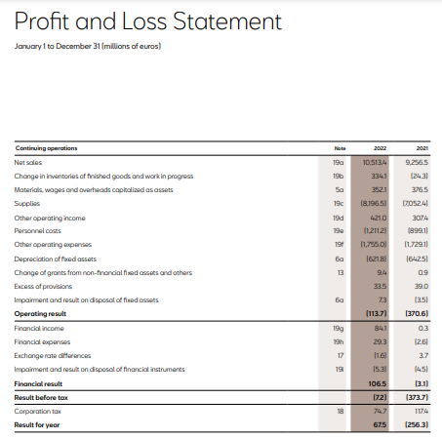
SEAT INCOME STATEMENT (2022)
January 1 to December 31
Continuing operations | 2022 | 2021
Net sales | € 10,513,400,000.00 | € 9,256,500,000.00
ChanGe in inventories of finished goods and work in progress | € 334,100,000.00 | € (24,300,000.00) | variable
Materials, wages and overheads capitalized as assets | € 352,100,000.00 | € 376,500,000.00 | variable
Supplies | € (8,196,500,000.00) | € (7,052,400,000.00) | variable
Other operating income | € 421,000,000.00 | € 307,400,000.00
Personnel costs | € (1,211,200,000.00) | € (899,100,000.00) | fixed
Other operating expenses | € (1,755,000,000.00) | € (1,729,100,000.00) | variable
Depreciation of fixed assets | € (621,800,000.00) | € (642,500,000.00) | fixed
Change of grants from non-financial fixed assets and others | € 9,400,000.00 | € 900,000.00 | fixed
Excess of provisions | € 33,500,000.00 | € 39,000,000.00 | fixed | extra money set aside for paying off expenses in the coming year.
Impairment and result on disposal of fixed assets | € 7,300,000.00 | € (3,500,000.00) | fixed
Operating result | € (113,700,000.00) | € (370,600,000.00)
Financial Income | € 84,100,000.00 | € 300,000.00 | fixed
Financial expenses | € 29,300,000.00 | € (2,600,000.00) | fixed
Exchange rate differences | € (1,600,000.00) | € 3,700,000.00 | fixed
Impairment and result on disposal of financial instruments | € (5,300,000.00) | € (4,500,000.00) | fixed
Financial result | € 106,500,000.00 | € (3,100,000.00)
Result before tax | € (7,200,000.00) | € (373,700,000.00)
Corporation tax | € 74,700,000.00 | € 117,400,000.00 | variable
Result for year | € 67,500,000.00 | € (256,300,000.00)

Total fixed cost: | -€ 1,676,300,000.00 | -€ 1,508,300,000.00
Total variable cost: | -€ 9,190,600,000.00 | -€ 8,311,900,000.00

EXTRA | 2022 | 2021
Payment of Intersts | $(2,000,000.00) | $(2,400,000.00)

 | 2022 | 2021
Stake holders equity | 1,297,400,000.00 | 1,207,700,000.00

 |  |  |  | The corresponding obligations for the lease operation, net of financial charges, are included under liabilities in the Balance Sheet. The fixed assets acquired under finance leases are depreciated over their useful life
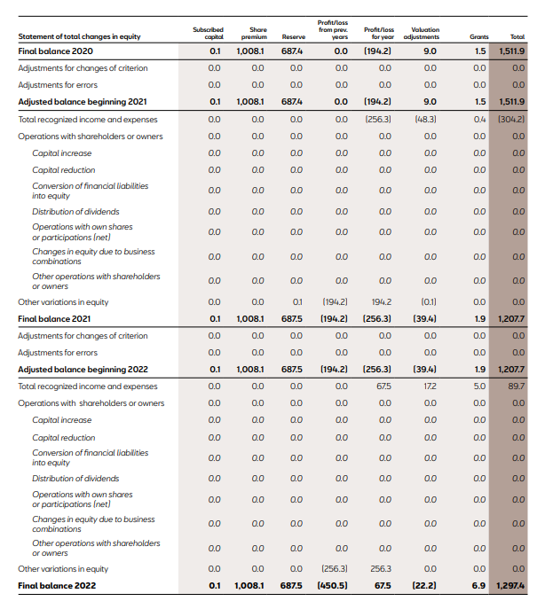

 | 2022 | 2021
Stake holders equity | 1,297,400,000.00 | 1,207,700,000.00

UNITS
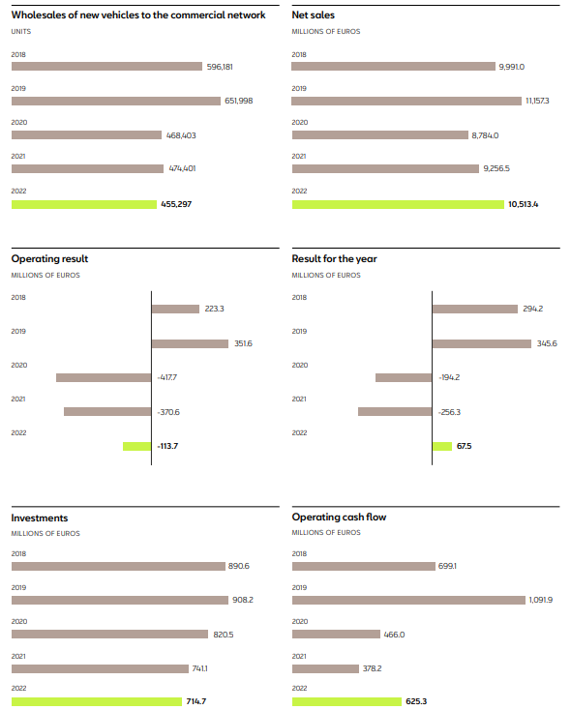
Year | Units Sold | Net Sales | Operating Result | Column2 | Result for the year | Investments | Operating Cashflow | Price per unit | Units they have | Sales per month
2018 | 596181 | 9991000000 |  |  |  |  |  | 16758.333459 |  | 49681.75
2019 | 651998 | 11157300000 |  |  |  |  |  | 17112.475805 |  | 54333.166667
2020 | 468403 | 8784000000 |  |  |  |  |  | 18753.082282 |  | 39033.583333
2021 | 474401 | 9256500000 |  |  |  |  |  | 19511.974047 |  | 39533.416667
2022 | 455297 | 10513400000 |  |  |  |  |  | 23091.300843 | 37858 | 37941.416667

